Data
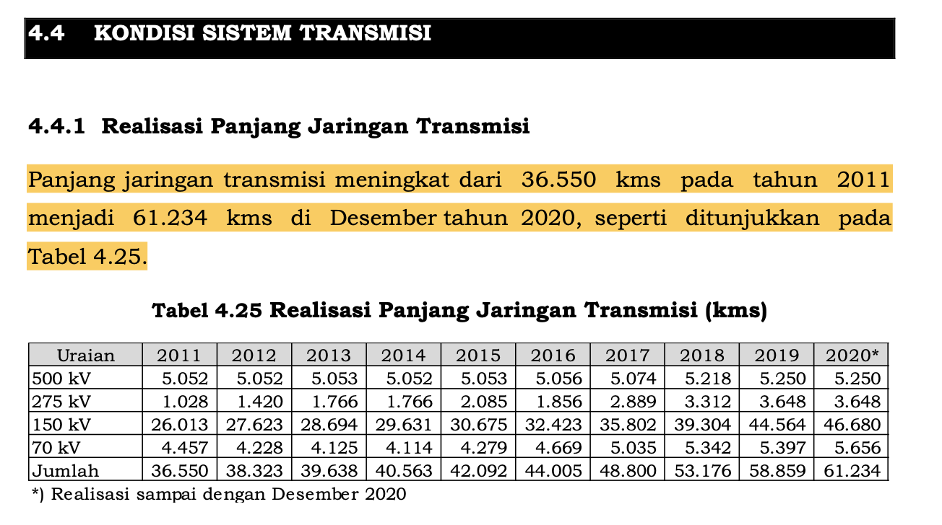
Indonesia's Transmission Line (kms)
kV | 2011 | 2012 | 2013 | 2014 | 2015 | 2016 | 2017 | 2018 | 2019 | 2020
500 | 5025 | 5052 | 5053 | 5052 | 5053 | 5056 | 5074 | 5218 | 5250 | 5250
275 | 1028 | 1420 | 1766 | 1766 | 2085 | 1856 | 2889 | 3312 | 3648 | 3648
150 | 26013 | 27623 | 28694 | 29631 | 30675 | 32423 | 35802 | 39304 | 44564 | 46680
70 | 4457 | 4228 | 4125 | 4114 | 4279 | 4669 | 5035 | 5342 | 5397 | 5656

Indonesia's Transmission Line Construction Plan 2021-2030 (kms)
kV | 2021 | 2022 | 2023 | 2024 | 2025 | 2026 | 2027 | 2028 | 2029 | 2030
500 | 2211 | 552 | 440 | 28 | 1537 | 201 | 321 | 1268 | 207 | 720
275 |  |  |  |  |  |  |  |  |  | 300
150 | 4520 | 6249 | 7114 | 4152 | 3708 | 1426 | 2102 | 2433 | 1858 | 950
70 | 284 | 253 |  |  | 132 | 241 | 10 |  | 52 | 70

Indonesia's Transmission Capacity (kV*km)
 | 2011 | 2012 | 2013 | 2014 | 2015 | 2016 | 2017 | 2018 | 2019 | 2020 | 2021 | 2022 | 2023 | 2024 | 2025 | 2026 | 2027 | 2028 | 2029 | 2030 | 2031 | 2032 | 2033 | 2034 | 2035 | 2036 | 2037 | 2038 | 2039 | 2040 | 2041 | 2042 | 2043 | 2044 | 2045 | 2046 | 2047 | 2048 | 2049 | 2050
TC | 7009140 | 7355910 | 7605000 | 7744280 | 8000655 | 8228680 | 9054225 | 9789340 | 10690590 | 11026120 | 12829500 | 14060560 | 15347660 | 15984460 | 17318400 | 17649670 | 18126170 | 19125120 | 19510960 | 20100860 | 21032928.789 | 21814363.436 | 22595798.083 | 23377232.729 | 24158667.376 | 24940102.023 | 25721536.669 | 26502971.316 | 27284405.962 | 28065840.609 | 28847275.256 | 29628709.902 | 30410144.549 | 31191579.195 | 31973013.842 | 32754448.489 | 33535883.135 | 34317317.782 | 35098752.429 | 35880187.075

